Intro
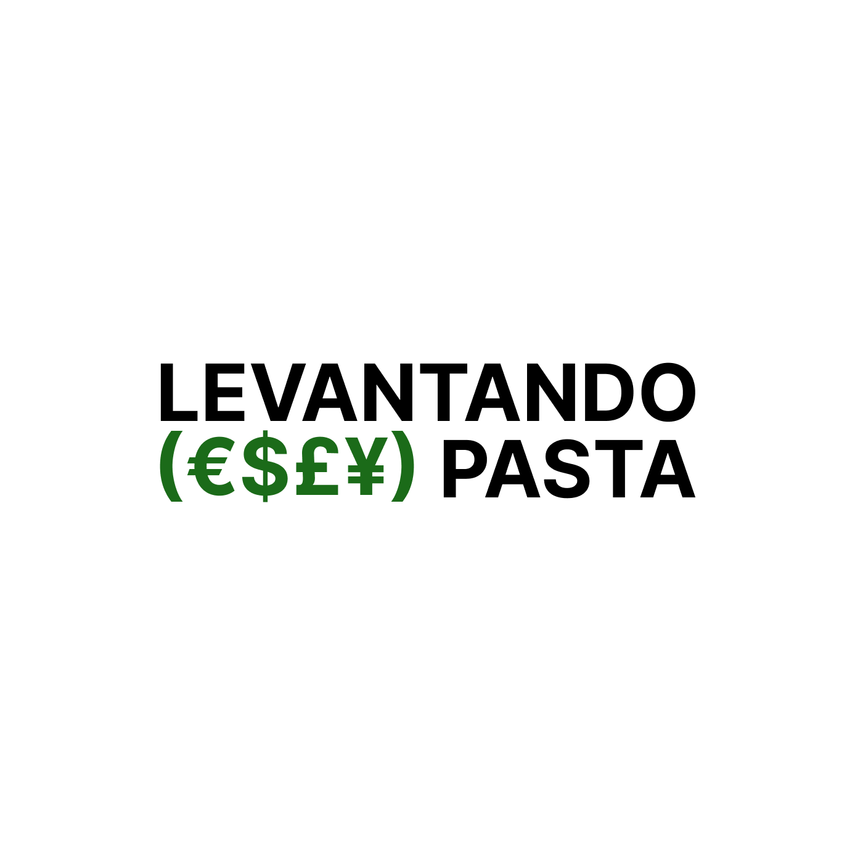

 |  | ¡Here you have different valuation methods to value your startup! Follow my newsletter here!

 |  | https://levantandopasta.substack.com

 | INDEX
 | 1 | Berkus Method
 | 2 | Scorecard Method
 | 3 | VC Method
 | 4 | VC Method (Multiple Financing Rounds)
 | 5 | VC Method (Sensitivity Analysis)
 | 6 | VC Method (w/ dilution)
 | 7 | VC Valuation (Sophisticated)

Valuation Formulas
